Dashboard
Total Sales
 | Total
Sep | 20862365600
Oct | 21125386400
Nov | 20114128900
Dec | 21413085100
Jan | 21066098300
Feb | 18772439100
Mar | 627400000
Total Sales by Employee
 | Total
Alice Wonderland | 4909816700
Bob Builder | 4619283100
Charlie Brown | 4856839400
Diana Prince | 4911138400
Edward Scissorhands | 4912907400
Fiona Shrek | 4794101200
George Jetson | 4996715100
Hannah Montana | 4666417700
Ian Malcolm | 4626686400
Jessica Rabbit | 4899032400
Kevin McAllister | 4886674600
Laura Croft | 4689765500
Michael Scott | 4869111600
Nancy Drew | 4717643500
Oscar Wilde | 4813401000
Peter Parker | 4947507900
Quinn Fabray | 4894476100
Rachel Green | 4584927800
Steve Rogers | 4684197400
Timmy the intern | 4708385300
Uma Thurman | 4806426500
Victor Frankenstein | 4727400700
Wanda Maximoff | 4603013700
Xander Harris | 4753821600
Yara Greyjoy | 4686918000
Zelda Fitzgerald | 4414294400
Start Date | 2024-09-01
End Date | 2025-03-01

Sales by Product
 | Total
Actual Flag | 3943604300
Adobe Photoshop 100% full free downoad no virus real no fake 1 link mega | 3954161100
AI-Generated Inspirational Quote Calendar | 3897374300
Bluetooth Speaker | 4034513000
Bonus Flag | 3532150700
Brain | 3828025100
Burger | 3831081500
Comically Large Spoon | 3856294200
Dog Bowl | 3851582600
Fake Flag | 3775166900
Faker Flag | 3844118600
Fakest Flag | 3713024400
Fidget Spinner | 3903515300
Flag | 3772877500
Flag Here | 3478470400
Gamer Girl B##h w##er | 3589178600
Hands | 3703272500
Ikea Instruction Manual for Life | 3602252700
LED Desk Lamp | 3820188600
Looking For Flag | 3651018700
Not The Flag | 3637305100
Organic Green Tea | 3895030900
Overpriced hyperlink | 3779007000
Potato Chips | 3805099400
Programming Socks | 3752220800
PUCTF25 Flag | 3715493100
Real Flag | 3549992200
Skills | 3696693100
Stainless Steel Water Bottle | 3653766700
Sussy Baka Plush Toy | 3663202200
Toilet Paper | 3746800000
Wireless Keyboard | 3925584000
Yoga Mat | 3578837900


 |  | Row Labels | Average of UnitPrice
 |  | Actual Flag | 5023.9543726
 |  | Adobe Photoshop 100% full free downoad no virus real no fake 1 link mega | 5099.674691
 |  | AI-Generated Inspirational Quote Calendar | 4984.947644
 |  | Bluetooth Speaker | 5066.166884
 |  | Bonus Flag | 4998.9612188
 |  | Brain | 4971.1400651
 |  | Burger | 5006.9352708
 |  | Comically Large Spoon | 5041.618123
 |  | Dog Bowl | 5027.5163399
 |  | Fake Flag | 4942.8384565
 |  | Faker Flag | 5020.5145119
 |  | Fakest Flag | 4948.2213439
 |  | Fidget Spinner | 4926.5006386
 |  | Flag | 5098.8575269
 |  | Flag Here | 5040.6755806
 |  | Gamer Girl B##h w##er | 4922.5457007
 |  | Hands | 4929.9016393
 |  | Ikea Instruction Manual for Life | 5060.1248266
 |  | LED Desk Lamp | 4999.6015936
 |  | Looking For Flag | 4976.2256548
 |  | Not The Flag | 4953.5785953
 |  | Organic Green Tea | 5049.1694352
 |  | Overpriced hyperlink | 5036.8808568
 |  | Potato Chips | 4986.5845755
 |  | Programming Socks | 5003.8663172
 |  | PUCTF25 Flag | 4982.9431438
 |  | Real Flag | 4905.4347826
 |  | Skills | 5003.9973351
 |  | Stainless Steel Water Bottle | 5058.2140423
 |  | Sussy Baka Plush Toy | 4978.2495101
 |  | Toilet Paper | 4917.2781855
 |  | Wireless Keyboard | 5068.6967911
 |  | Yoga Mat | 4745.2473958
 |  | Grand Total | 4993.0299319

aux
 |  |  |  | Row Labels | Sum of TotalPrice
 |  |  |  | Actual Flag | 3943604300
Row Labels | Sum of TotalPrice |  |  | Adobe Photoshop 100% full free downoad no virus real no fake 1 link mega | 3954161100
2024 | 83514966000 |  |  | AI-Generated Inspirational Quote Calendar | 3897374300
Sep | 20862365600 | Row Labels | Sum of TotalPrice | Bluetooth Speaker | 4034513000
Oct | 21125386400 | Alice Wonderland | 4909816700 | Bonus Flag | 3532150700
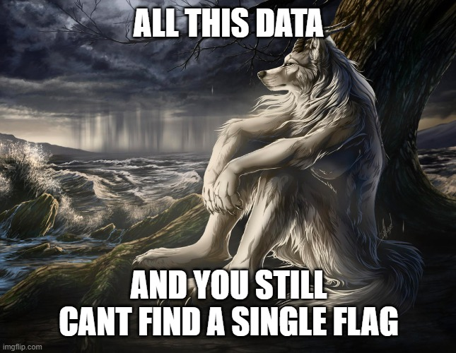
Nov | 20114128900 | Bob Builder | 4619283100 | Brain | 3828025100
Dec | 21413085100 | Charlie Brown | 4856839400 | Burger | 3831081500
2025 | 40465937400 | Diana Prince | 4911138400 | Comically Large Spoon | 3856294200
Jan | 21066098300 | Edward Scissorhands | 4912907400 | Dog Bowl | 3851582600
Feb | 18772439100 | Fiona Shrek | 4794101200 | Fake Flag | 3775166900
Mar | 627400000 | George Jetson | 4996715100 | Faker Flag | 3844118600
Grand Total | 123980903400 | Hannah Montana | 4666417700 | Fakest Flag | 3713024400
 |  | Ian Malcolm | 4626686400 | Fidget Spinner | 3903515300
 |  | Jessica Rabbit | 4899032400 | Flag | 3772877500
 |  | Kevin McAllister | 4886674600 | Flag Here | 3478470400
 |  | Laura Croft | 4689765500 | Gamer Girl B##h w##er | 3589178600
 |  | Michael Scott | 4869111600 | Hands | 3703272500
 |  | Nancy Drew | 4717643500 | Ikea Instruction Manual for Life | 3602252700
 |  | Oscar Wilde | 4813401000 | LED Desk Lamp | 3820188600
 |  | Peter Parker | 4947507900 | Looking For Flag | 3651018700
 |  | Quinn Fabray | 4894476100 | Not The Flag | 3637305100
 |  | Rachel Green | 4584927800 | Organic Green Tea | 3895030900
 |  | Steve Rogers | 4684197400 | Overpriced hyperlink | 3779007000
 |  | Timmy the intern | 4708385300 | Potato Chips | 3805099400
 |  | Uma Thurman | 4806426500 | Programming Socks | 3752220800
 |  | Victor Frankenstein | 4727400700 | PUCTF25 Flag | 3715493100
 |  | Wanda Maximoff | 4603013700 | Real Flag | 3549992200
 |  | Xander Harris | 4753821600 | Skills | 3696693100
 |  | Yara Greyjoy | 4686918000 | Stainless Steel Water Bottle | 3653766700
 |  | Zelda Fitzgerald | 4414294400 | Sussy Baka Plush Toy | 3663202200
 |  | Grand Total | 123980903400 | Toilet Paper | 3746800000
 |  |  |  | Wireless Keyboard | 3925584000
 |  |  |  | Yoga Mat | 3578837900
 |  |  |  | Grand Total | 123980903400

